SCRIPT
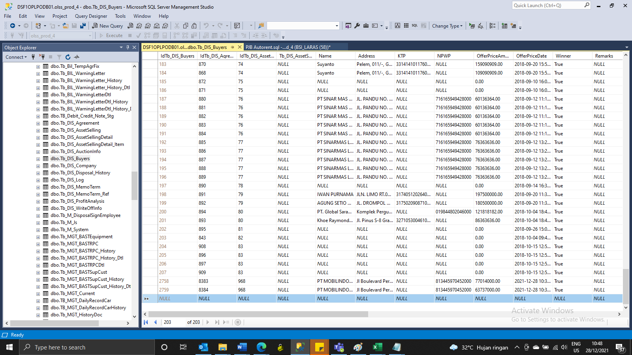
Insert TB_DIS_BUYERS

SCREENSHOOT
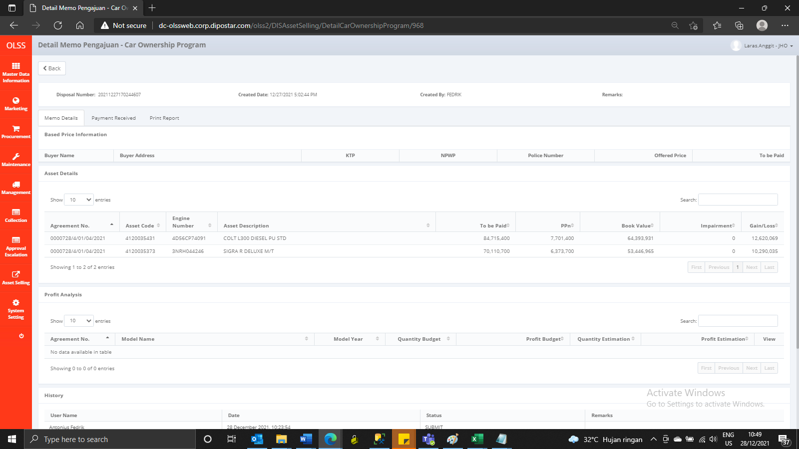
MEMO 00265/COP/12/2021
BEFORE
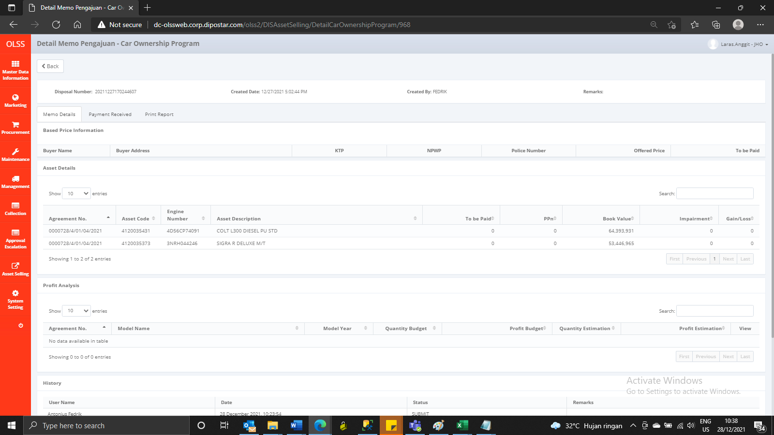

AFTER

